Bug images
Image_Id | Bug_id | Image
Img_001 | 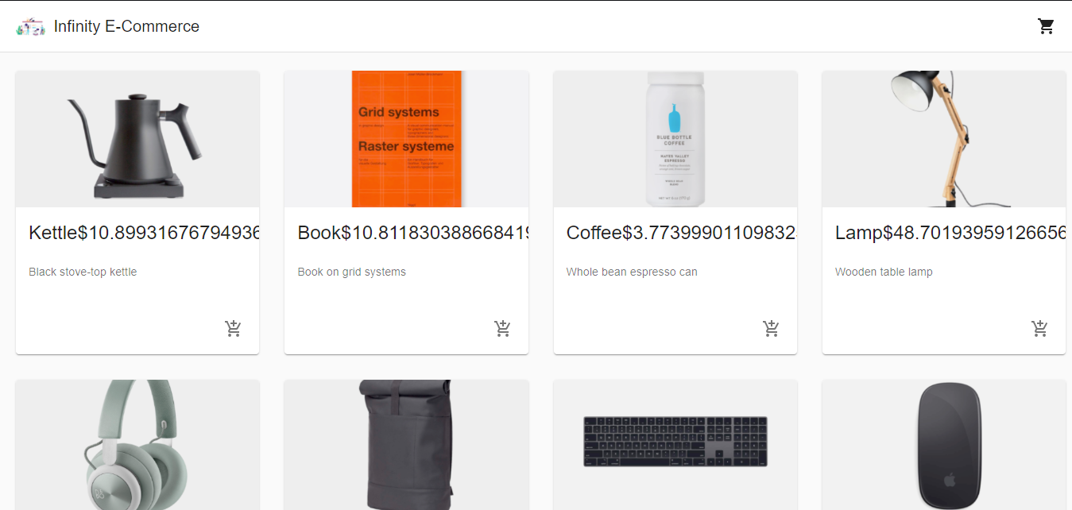 Bug_001
Img_002 | 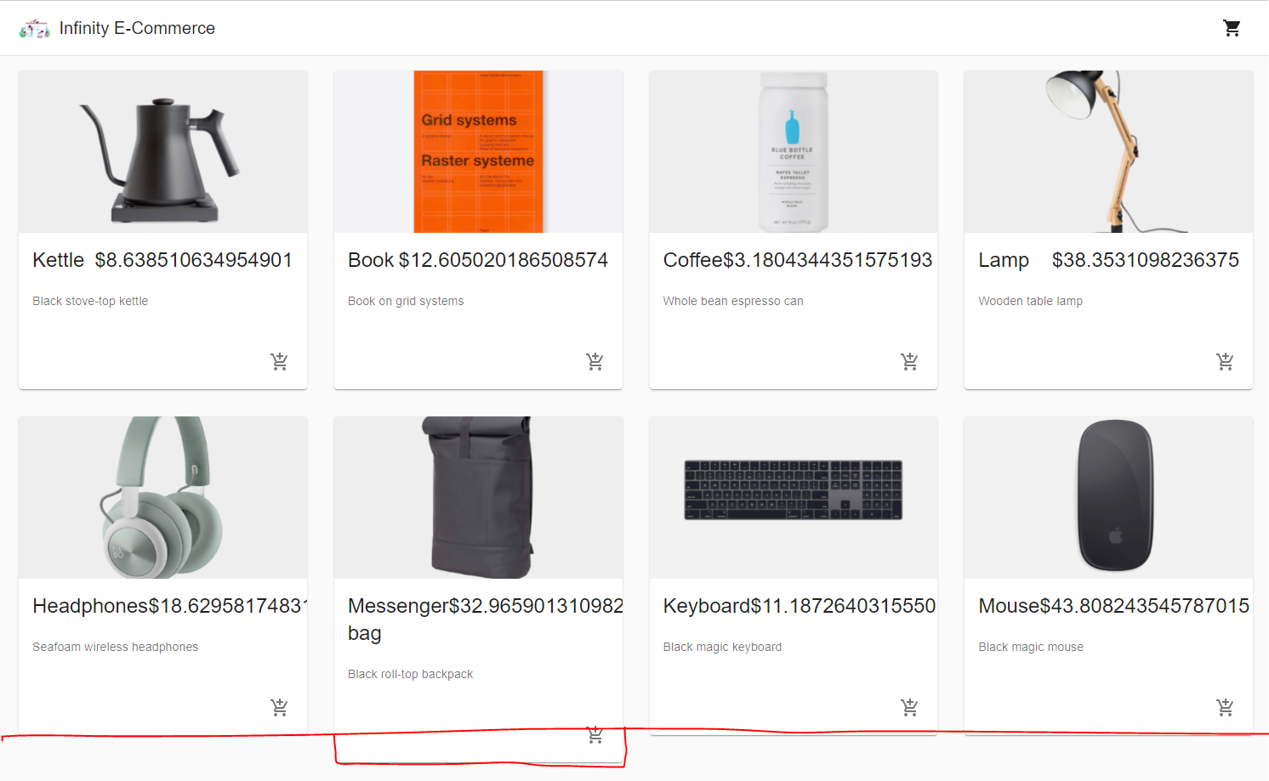 Bug_003

